PVT Salt Lake Regional Service
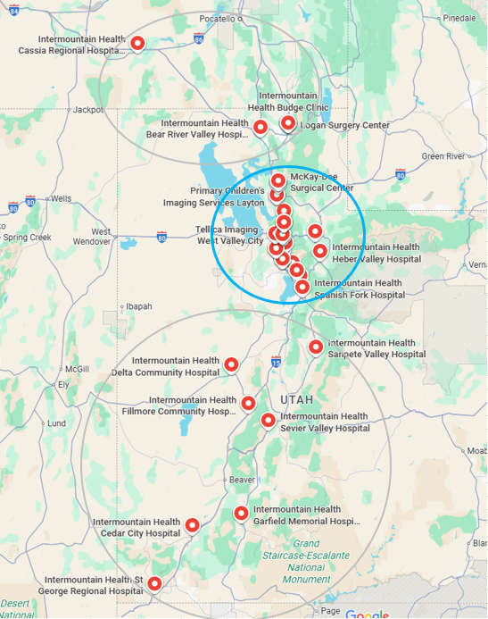
Row Labels | Count of Tag Number
UltraSound | 243
XR / RF | 108
C-Arms | 105
Cath Labs | 37
Portable | 32
CT | 19
SpectCT | 9
MRI | 9
PET/CT | 6
(blank)
Grand Total | 568

Inventory to Address | Assets
Started with imaging assets | 1982
Focused on Non-GE, Non-Hologic, End of Life and Carestream | 693
Focused on Central Regional Service Area & Core Imaging Modalities | 568
Remaining assets in outlying regions remain RSA due to distance and volume of like assets | 125

Focus on US, Gen Rad, CT/MR for In-Sourcing

MR - 2/3 are Siemens Aera/Skyra family; Good for training
CT - near 50/50 split between Canon and Siemens; good for training. Depending on replacement cycle for Canon recommended to focus on Siemens CT
Portables - all Carestream; good for training
Cath Labs - Predominately Siemens Zee & Q; same family; good for training; Philips Allura and Azurion good for training
C-Arms - OEC and Orthoscan would be first 2 for training
XP/RF - 48 Carestream good to train on; 31 Philips good to train on; 18 Siemens good to train on
US - Philips 138/243 total good to train on; maybe Sonosite next followed by Siemens

Modality | Hrs./Year/Device (excludes travel) | # of Assets | Required Hours Per Year | Required FTEs / Year | Factor in Travel
C-Arms | 25.95 | 105 | 2724.96 | 1.82
IR/Cath | 64.50 | 37 | 2386.50 | 1.59
CT | 50.24 | 19 | 954.56 | 0.64 | 0.70
PET | 72.38 | 6 | 434.26 | 0.29 |  | Modalities | Engineers
Spect/Nuc | 35.30 | 9 | 317.66 | 0.21 |  | CT & MR | 1
MR | 72.25 | 9 | 650.23 | 0.43 | 0.48 | C-Arms, R/F, Portables | 6
US | 14.38 | 243 | 3493.37 | 2.33 |  | Cath | 2
R/F | 44.37 | 108 | 4791.74 | 3.19 |  | US | 2
Portables | 40.23 | 32 | 1287.42 | 0.86
Urology | 29.91 |  | 0.00 | 0.00
Mammo | 51.28 |  | 0.00 | 0.00
Total |  |  | 17040.71 | 11.36 | 13.06

Maps Canyon-Desert
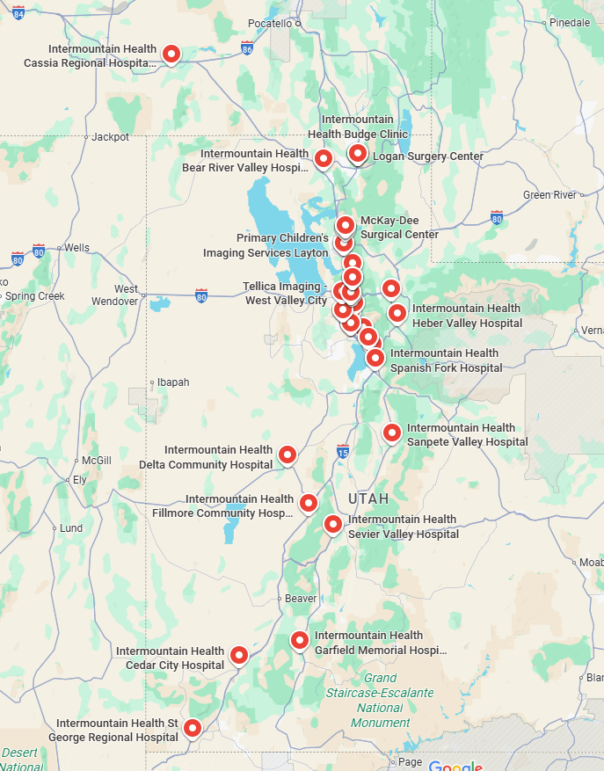
Focus on Central Concentration of Sites - Excluding GE & Hologic; Focused on core imaging modalities

